Sheet1
PE Port | Cable ID | PE Port | Cable ID
P0G3 | P0_MCIOG3C_CB_ID1_R | P1G1 | P1_MCIOG1C_CB_ID1_R
 | P0_MCIOG3C_CB_ID0_R |  | P1_MCIOG1C_CB_ID0_R | 每个PORT的第一行表示低位
 | P0_MCIOG3A_CB_ID1_R |  | P1_MCIOG1A_CB_ID1_R
 | P0_MCIOG3A_CB_ID0_R |  | P1_MCIOG1A_CB_ID0_R
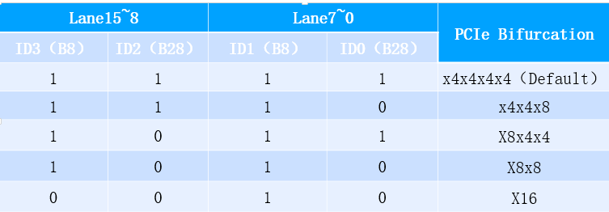
P0P0 | P0_MCIOP0A_CB_ID1_R | P1P0 | P1_MCIOP0A_CB_ID1_R
 | P0_MCIOP0A_CB_ID0_R |  | P1_MCIOP0A_CB_ID0_R
 | P0_MCIOP0C_CB_ID1_R |  | P1_MCIOP0C_CB_ID1_R
 | P0_MCIOP0C_CB_ID0_R |  | P1_MCIOP0C_CB_ID0_R
P0P1 | P0_MCIOP1A_CB_ID1_R | P1P1 | P1_MCIOP1A_CB_ID1_R
 | P0_MCIOP1A_CB_ID0_R |  | P1_MCIOP1A_CB_ID0_R
 | P0_MCIOP1C_CB_ID1_R |  | P1_MCIOP1C_CB_ID1_R
 | P0_MCIOP1C_CB_ID0_R |  | P1_MCIOP1C_CB_ID0_R
P0P2 | P0_MCIOP2A_CB_ID1_R | P1P2 | P1_MCIOP2A_CB_ID1_R
 | P0_MCIOP2A_CB_ID0_R |  | P1_MCIOP2A_CB_ID0_R
 | P0_MCIOP2C_CB_ID1_R |  | P1_MCIOP2C_CB_ID1_R
 | P0_MCIOP2C_CB_ID0_R |  | P1_MCIOP2C_CB_ID0_R
P0P3 | P0_MCIOP3A_CB_ID1_R | P1P3 | P1_MCIOP3A_CB_ID1_R
 | P0_MCIOP3A_CB_ID0_R |  | P1_MCIOP3A_CB_ID0_R
 | P0_MCIOP3C_CB_ID1_R |  | P1_MCIOP3C_CB_ID1_R
 | P0_MCIOP3C_CB_ID0_R |  | P1_MCIOP3C_CB_ID0_R

